Sheet1
 | Document No. | Issue No. |  | Issue Date |  | Review and Replace Date |  |  | Authorised By
 | GFF505MC | 1 |  | 02.09.2025 |  | New Doc |  |  | Magda Shah
 | Document Title | Aldi Bilash 2 Onion Bhaji 100g
Document amendments reason for change | New Launch |  |  |  | Page 1 of 1 |  | Previous Issue Date | New Doc | Uncontrolled copy unless signed original

COBHC4-G6TAL |  |  | Aldi Bilash |  | Aldi Bilash 2 Onion Bhaji 100g
STEP 1 |  |  |  |  | STEP 2

Tray: Grab & Go SQ Tray (141 X 141) PKESS001-09 |  |  |  |  | Onion Bhaji (GFF121R) : 50g
Film: K peel 7G+25A/f-240mm (240mmX1000) (PKKMP001-08)
STEP 3
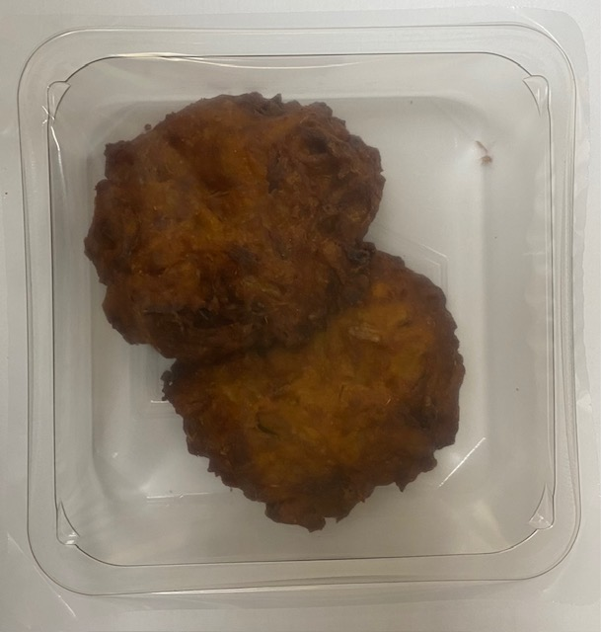
Onion Bhaji (GFF121R) (2X50g): 100g |  |  |  |  | Total Weight: 100g
ALLERGY ALERT: No Allergen

